Q1
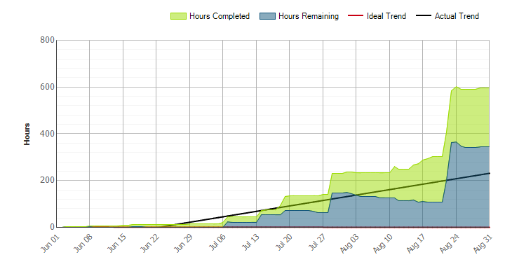
CCO eCoaching Log

Schedule
 | Planned milestone finish date |  | 2016-08-31 |  | Q1 iteration completed. June 1 - Aug 31
 | Actual/Forcast milestone finish date |  | 2016-08-31
 | Milestone % Complete |  | 100%

Quality
 | Number of defects by severity | Current Iteration |  | Prior Iteration |  | Analysis
 |  | Open | Closed | Open | Closed | This is the first quarter for capturing this metric. The 1 Critical defect was John Tiongson lost access and permissions to eCL Admin Tool and could no longer process requests to inactivate, reassign or reactivate ecoaching logs. John's job code changed and the permissions in the admin tool is based on the user's job code. The impact to the production system for all of the defects was minor. We will begin trend analysis as each quarter passes.
 | Critical | 1 | 1 | N/A | N/A
 | High | 3 | 3 | N/A | N/A
 | Medium | 2 | 2 | N/A | N/A
 | Low | 0 | 0 | N/A | N/A

 | Peer Reviews | Number of defects | Total Effort | Number of reviewers | Effort per defect found | Analysis
 | Functional Spec |  |  |  | #DIV/0! | No peer reviews were performed in this period.
 | Detail Design |  |  |  | #DIV/0!

 | Open vs Closed Change Requests | Current Iteration |  | Prior Iteration |  | Analysis
 |  | Open | Closed | Open | Closed | We will begin trend analysis as each quarter passes.
 | Critical | 3 | 3 | N/A | N/A
 | High | 20 | 13 | N/A | N/A
 | Medium | 3 | 2 | N/A | N/A
 | Low | 5 | 4 | N/A | N/A
Effort
 |  | Iteration to date | OYTD |  |  | Analysis
 | Bid | 771 | 771 |  |  | Analysis
 | Actual | 994 | 994 |  |  | Additional effort required from Suzy and Doug than expected. Corrective Action: Communicated variance to Program. They approved to continue work regardless of the variance. Continue to monitor.
 | Bid Variance | 223 | 223
 | Percent | 28.92% | 28.92%

 | Size of Work Items | Current Iteration |  | Iteration Objective |  | Analysis
 | Small (< 20 hrs) | 26 |  | 8 |  | More smaller admin tasks than estimated.
 | Medium (20 - 80 hrs) | 2 |  | 5
 | Large (> 120 hrs) | 0 |  | 1

Cost
 |  | Iteration to Date | OYTD |  |  | Analysis
 | Bid | $72,769.63 | $72,769.63 |  |  | Additional effort required from Suzy and Doug than expected.
 | Actual | $89,322.81 | $89,322.81
 | variance | $16,553.18 | $16,553.18
 | Percent | 22.75% | 22.75%

 |  |  |  |  |  |  | Analysis
 |  |  |  |  |  |  | At the end of the iteration there was a large WIT that was added. It was carried over to the next iteration

